2018
 |  | PT. TEKNOLOGI REKAYASA KATUP |  |  |  |  |  |  |  |  |  |  |  |  |  |  | Form No: TRK-PF-MR-007-A Revision: 03 Effective date: May 03, 2018

 |  | RISK ASSESMENT MANAGEMENT

Report No |  | :
Area |  | :
Scope |  | :

RISK IDENTIFICATION |  |  | RISK ASSESSMENT |  |  |  |  |  |  | RISK CONTROL & PERFORMANCE EVALUATION |  |  | RISK ANALYSIS/ EVALUATION AFTER RISK CONTROL |  |  |  | CONTINGENCY PLAN (IF NEEDED)
1 | 2 | 3 | 4 | 5 | 6 | 7 | 8 | 9 | 10 | 11 | 12 | 13 | 14 | 15 | 16 | 17 | 18
No. | PROCESS | TREAT & OPPORTUNITIES | IMPACT | APPLICABLE REQUIREMENT | EXISTING CONTROL THAT HAVE BEEN AVAILABLE | RISK ASSESMENT |  |  |  | RISK CONTROL | PERFORMANCE INDICATORS PROCESS | DOCUMENTED INFORMATION | RISK ASSESMENT |  |  |  | YES OR NO
 |  |  |  |  |  | P | S | R | Status |  |  |  | P | S | R | Status
ISSUE OF INTERNAL / EXTERNAL COMPANY

NEEDS & EXPECTATION OF RELATED PARTIES

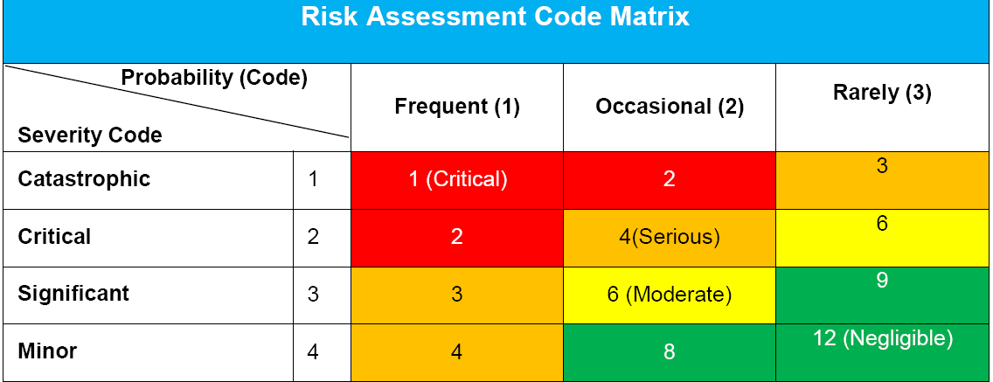
Note:
Contingency Planning for Serious & Critical risk assesment status (Form No: TRK-PF-MR-007-B):
is a disaster recovery plan, the second option or a backup plan, if the primary approach fails to function as it should.
adalah suatu rencana pemulihan bencana, opsi kedua atau sebagai back up rencana, jika pendekatan yang utama gagal untuk berfungsi sebagaimana yang dibutuhkan.
Prepared by,
Name : _ __
Date :
Approved by,
Name : _ ____________
Date :

